Sheet1
 | Document No. |  | Issue No. | Issue Date |  | Review and Replace Date |  | Authorised By
 | GFF319MC |  | 2 | 21.09.2021 |  | 28.12.2021
 | Document Title |  | Bang Bang Cauliflower & Tamarind Dip 200g
 |  |  |  |  |  |  |  | Magda Shah
Document amendments reason for change | New document |  | Page 1 of 1 |  | Previous Issue Date |  | 21.09.2021 | Uncontrolled copy unless signed original

FBBCC-R20TDO |  | DONALD RUSSEL |  | Bang Bang Cauliflower & Tamarind Dip 200g | FROZEN

 |  |  |  |  |  |  | 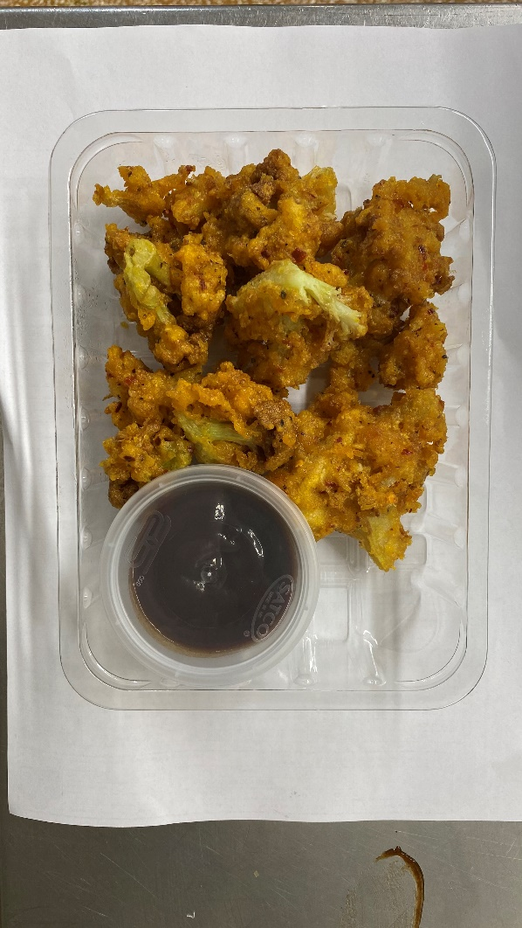

AFTER PACKING PRODUCT NEED TO BE SEND TO DISPATCH BLAST FREEZER

Tray: SK4 Plain Clear (PKESS001-07) |  |  | Tamarind Dip (RMP&B001-04): 40g |  |  |  | Bang Bang Cauliflower (GFF394R): 160g
Film: ME300AFV2, 300mmx 1000m (PKPRO001-16) |  |  | Satco 2oz Pots with Lids (PKJEN001-03) |  |  |  | Total Weight: 200g
ALLERGY ALERT: wheat

